BNEF
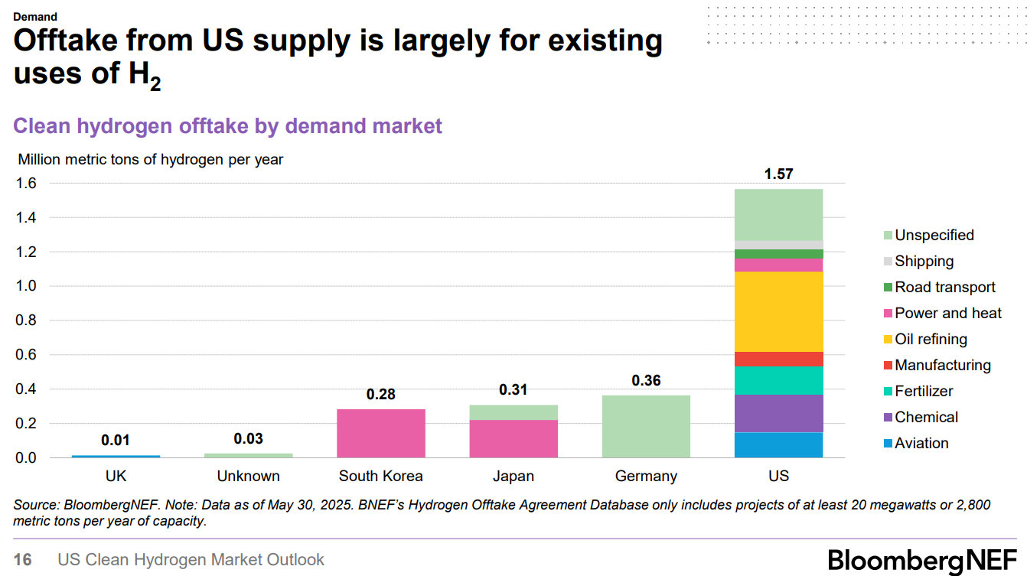
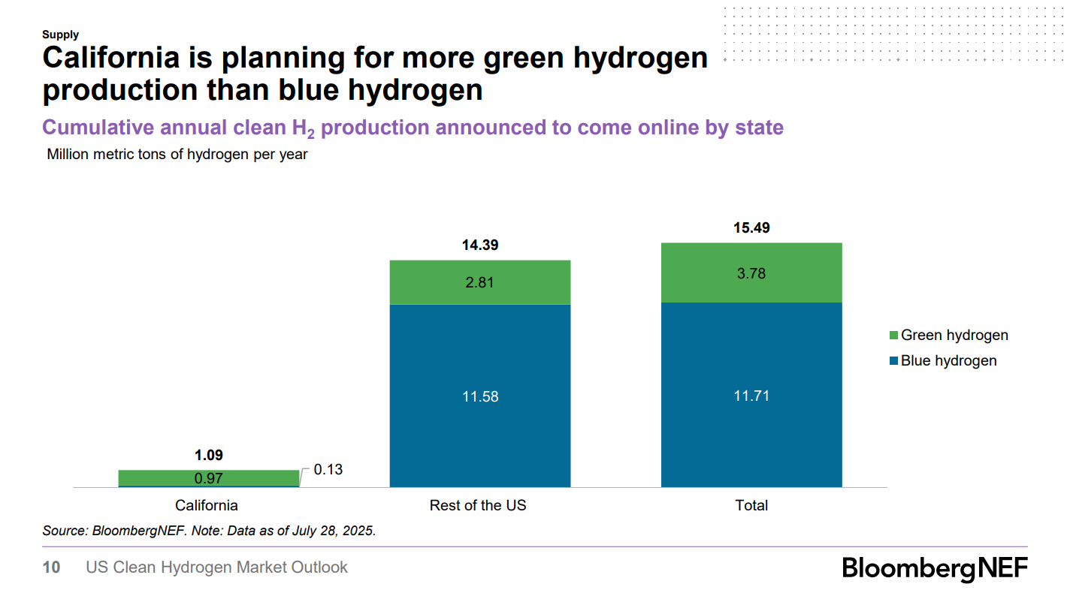
 | % Blue: | 0.75597159458
 | % Green: | 0.24402840542

 | Capacity | 1.57 | Mt

 | EPS Data | 5.73 | Mt

 | % Blue: | 0.207
 | % Green: | 0.067
 | *data for 2030

 | 2025 | 2030
blue | 0 | 0.207
green | 0 | 0.067

